ST A0100
University | Ecole Centrale de Lyon |  | Back to BOM |  |  |  |  |  | Car # | 81 |  | Asm Cost | $155.00
System | Steering System |  |  |  |  |  |  |  |  |  |  | Qty | 1
Assembly | Steering Rack |  |  |  |  |  |  |  | FileLink1
P/N Base | ST A0100 |  |  |  |  |  |  |  | FileLink2 |  |  | Extended Cost | $155.00
Suffix | AA |  |  |  |  |  |  |  | FileLink3
Details | Bought, cost as made
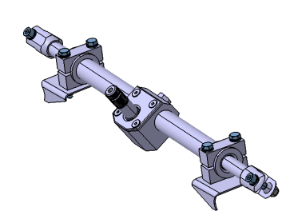
ItemOrder | Part | Part Cost | Quantity | Sub Total
10 | Rack Pinion | $7.97 | 1 | $7.97
20 | Rack | $6.04 | 1 | $6.04
30 | Upper Pinion housing | $2.57 | 1 | $2.57
40 | Lower Pinion housing | $6.26 | 1 | $6.26
50 | Rack housing support | $2.35 | 2 | $4.70
60 | Tie rod Braces | $2.39 | 2 | $4.78
70 | Rack housing | $65.59 | 1 | $65.59
80 | Steering Brackets tie | $1.58 | 4 | $6.34
90 | Steering Brackets | $1.60 | 2 | $3.19
100 | Rack protection | $7.62 | 1 | $7.62
110 | Rack protection Brackets | $0.38 | 4 | $1.52
 |  |  | Sub Total | $116.57

ItemOrder | Material | Use | UnitCost | Size1 | Unit1 | Size2 | Unit2 | Area Name | Area | Length | Density | Quantity | Sub Total
10 | Bearing, Needle | To guide the rack en the rack housing | $5.51 | 17 | mm | 25 | mm |  |  |  |  | 2 | $11.03
20 | Bearing, Needle | To guide the rack pinion en the lower pinion housing | $4.29 | 17 | mm | 9 | mm |  |  |  |  | 2 | $8.58
 |  |  |  |  |  |  |  |  |  |  |  | Sub Total | $19.60

ItemOrder | Process | Use | UnitCost | Unit | Quantity | Multiplier | Mult. Val. | Sub Total
10 | Weld | Welding the steering Brackets on the frame | $0.15 | cm | 20.48 |  |  | $3.07
20 | Assemble, 1 kg, Loose | Assembly of part 70 in part 40 | $0.06 | unit | 1 |  |  | $0.06
30 | Assemble, 1 kg, Loose | Assembly of material 20 in part 40 | $0.06 | unit | 2 |  |  | $0.13
40 | Assemble, 1 kg, Loose | Assembly of part 20 in part 40 | $0.06 | unit | 1 |  |  | $0.06
50 | Assemble, 1 kg, Loose | Assembly of part 10 in part 40 | $0.06 | unit | 1 |  |  | $0.06
60 | Assemble, 1 kg, Loose | Assembly of part 30 on part 40 | $0.06 | unit | 1 |  |  | $0.06
70 | Screwdriver > 1 Turn | Use of fastener 10 to fix part 30 on part 40 | $0.50 | unit | 4 |  |  | $2.00
80 | Ratchet <= 25.4 mm | Use of fastener 20 to fix part 20 | $0.75 | unit | 1 |  |  | $0.75
90 | Liquid Apply - Spot | To glue part 70 to part 50 | $0.10 | unit | 6 |  |  | $0.60
100 | Brush Apply | To glue part 70 to part 50 | $0.02 | cm^2 | 8 |  |  | $0.16
110 | Assemble, 1 kg, Loose | Assembly of material 10 in part 50 | $0.06 | unit | 1 |  |  | $0.06
120 | Assemble, 1 kg, Loose | Assembly of part 60 on part 70 | $0.06 | unit | 2 |  |  | $0.13
130 | Wrench <= 25.4 mm | Use of fastener 60 To fix part 60 on part 70 | $1.50 | unit | 2 |  |  | $3.00
140 | Assemble, 1 kg, Loose | Assembly of part 80 to part 50 | $0.06 | unit | 4 |  |  | $0.25
150 | Ratchet <= 6,35 mm | Use of fastener 30 To fix part 80 on part 50 | $0.50 | unit | 4 |  |  | $2.00
160 | Reaction Tool <= 6.35 mm | For the process 140 | $0.25 | unit | 4 |  |  | $1.00
170 | Weld | Welding of part 110 on the frame | $0.15 | cm | 6 |  |  | $0.90
180 | Assemble, 1 kg, Loose | Assembly of part 100 on part 110 | $0.06 | unit | 1 |  |  | $0.06
190 | Ratchet <= 6,35 mm | Use of fastener 70 to fix part 100 | $0.50 | unit | 4 |  |  | $2.00
200 | Reaction Tool <= 6.35 mm | for process 180 | $0.25 | unit | 4 |  |  | $1.00
 |  |  |  |  |  |  | Sub Total | $17.36

ItemOrder | Fastener | Use | UnitCost | Size1 | Unit1 | Size2 | Unit2 | Quantity | Sub Total
10 | Bolt, Grade 8.8 (SAE 5) | To close the rack housing | $0.02 | 5 | mm | 6.5 | mm | 4 | $0.07
20 | Bolt, Grade 8.8 (SAE 5) | To fix the rack | $0.06 | 8 | mm | 11 | mm | 1 | $0.06
30 | Bolt, Grade 8.8 (SAE 5) | To fix the brackets ties | $0.12 | 6 | mm | 50 | mm | 4 | $0.47
40 | Washer, Grade 8.8 (SAE 5) | To fix the brackets ties | $0.01 |  | unit |  |  | 8 | $0.08
50 | Nut, Grade 8.8 (SAE 5) | To fix the brackets ties | $0.03 | 6 | mm |  |  | 4 | $0.12
60 | Bolt, Grade 8.8 (SAE 5) | To fix the Tie rod Braces | $0.10 | 8 | mm | 25 | mm | 2 | $0.20
70 | Bolt, Grade 8.8 (SAE 5) | To fix the Rack protection | $0.02 | 4 | mm | 16 | mm | 4 | $0.07
80 | Washer, Grade 8.8 (SAE 5) | To fix the Rack protection | $0.01 |  | unit |  |  | 8 | $0.08
90 | Nut, Grade 8.8 (SAE 5) | To fix the Rack protection | $0.02 | 4 | mm |  |  | 4 | $0.08
 |  |  |  |  |  |  |  | Sub Total | $0.80

ItemOrder | Tooling | Use | UnitCost | Unit | Quantity | PVF | FractionIncluded | Sub Total
10 | Welds - Welding Fixture | For the process 10, 2 point per bracket | $500.00 | 1 | 4 | 3000 | 1 | $0.67
20 | Welds - Welding Fixture | For the process 160, 1 point per bracket | $500.00 | 1 | 4 | 3000 | 1 | $0.67
 |  |  |  |  |  |  | Sub Total | $0.67

ST 01001
University | Ecole Centrale de Lyon |  |  |  | Back to BOM |  |  |  | Car # | 81 |  | Part Cost | $7.97
System | Steering System |  |  |  |  |  |  |  |  |  |  | Qty | 1
Assembly | Steering Rack |  |  |  |  |  |  |  | FileLink1
Part | Rack pinion |  |  |  |  |  |  |  | FileLink2 |  |  | Extended Cost | $7.97
P/N Base | ST 01001 |  |  |  |  |  |  |  | FileLink3
Suffix | AA
Details | Bought part, cost as made

ItemOrder | Material | Use | UnitCost | Size1 | Unit1 | Size2 | Unit2 | Area Name | Area | Length | Density | Quantity | Sub Total
10 | Steel, Mild (per kg) | Stock for the pinion | $2.25 | 0.462 | kg |  |  | Circular area diam. 31mm | 7.54E-04 | 0.078 | 7850 | 1 | $1.04
 |  |  |  |  |  |  |  |  |  |  |  | Sub Total | $1.04
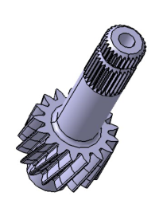
ItemOrder | Process | Use | UnitCost | Unit | Quantity | Multiplier | Mult. Val. | Sub Total
10 | Machining Setup, Install and remove | Installation of the item 10 | $1.30 | Unit | 1 |  |  | $1.30
20 | Machining | Machining the pinion | $0.04 | cm^3 | 14 | Material - Steel | 3 | $1.74
30 | Broach, External | For the splines | $0.50 | cm | 2 |  |  | $1.10
40 | Machining Setup, Change | To machin the other side | $0.65 | Unit | 1 |  |  | $0.65
50 | Machining | Machining of the other side | $0.04 | cm^3 | 5.80 | Material - Steel | 3 | $0.70
60 | Machining Setup, Install and remove | Installation for the water jet cut | $1.30 | Unit | 1 |  |  | $1.30
70 | Waterjet Cut | For the pinion | $0.01 | cm | 14.45 |  |  | $0.14
 |  |  |  |  |  |  | Sub Total | $6.93

ST 01002
University | Ecole Centrale de Lyon |  |  |  | Back to BOM |  |  |  | Car # | 81 |  | Part Cost | $6.04
System | Steering System |  |  |  |  |  |  |  |  |  |  | Qty | 1
Assembly | Steering Rack |  |  |  |  |  |  |  | FileLink1
Part | Rack |  |  |  |  |  |  |  | FileLink2 |  |  | Extended Cost | $6.04
P/N Base | ST 01002 |  |  |  |  |  |  |  | FileLink3
Suffix | AA
Details | Bought part, cost as made

ItemOrder | Material | Use | UnitCost | Size1 | Unit1 | Size2 | Unit2 | Area Name | Area | Length | Density | Quantity | Sub Total
10 | Steel, Mild (per kg) | Stock for the rack | $2.25 | 0.544 | kg |  |  | Circular area diam. 31mm | 1.77E-04 | 0.392 | 7850 | 1 | $1.22
 |  |  |  |  |  |  |  |  |  |  |  | Sub Total | $1.22

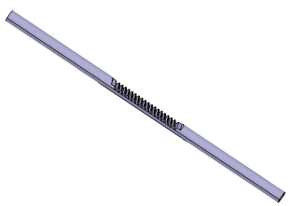
ItemOrder | Process | Use | UnitCost | Unit | Quantity | Multiplier | Mult. Val. | Sub Total
10 | Machining Setup, Install and remove | Installation of the item 10 | $1.30 | Unit | 1 |  |  | $1.30
20 | Machining | Machining one end | $0.04 | cm^3 | 1 | Material - Steel | 3 | $0.11
30 | Threading, External (machining) | Thread at one end | $0.10 | cm | 2 |  |  | $0.20
40 | Machining Setup, Change | To machin the other end | $0.65 | Unit | 1 |  |  | $0.65
50 | Machining | Machining the other end | $0.04 | cm^3 | 1 | Material - Steel | 3 | $0.11
60 | Threading, External (machining) | Thread at the other end | $0.10 | cm | 2 |  |  | $0.20
70 | Machining Setup, Install and remove | Installation on a CNC machin for the gear tooth | $1.30 | Unit | 1 |  |  | $1.30
80 | Machining | Machining the gear tooth | $0.04 | cm^3 | 8 | Material - Steel | 3 | $0.95
 |  |  |  |  |  |  | Sub Total | $4.82

ST 01003
University | Ecole Centrale de Lyon |  |  |  | Back to BOM |  |  |  | Car # | 81 |  | Part Cost | $2.57
System | Steering System |  |  |  |  |  |  |  |  |  |  | Qty | 1
Assembly | Steering Rack |  |  |  |  |  |  |  | FileLink1
Part | Upper Pinion housing |  |  |  |  |  |  |  | FileLink2 |  |  | Extended Cost | $2.57
P/N Base | ST 01003 |  |  |  |  |  |  |  | FileLink3
Suffix | AA
Details | Bought part, cost as made

ItemOrder | Material | Use | UnitCost | Size1 | Unit1 | Size2 | Unit2 | Area Name | Area | Length | Density | Quantity | Sub Total
10 | Aluminum, Normal | Stock for the part | $4.20 | 0.055 | kg |  |  | Rectangular area | 2.25E-03 | 0.009 | 2712 | 1 | $0.23
20 | Paint |  | $10.00 | 2.80E-03 | m^2 |  |  |  |  |  |  |  | $0.03
 |  |  |  |  |  |  |  |  |  |  |  | Sub Total | $0.26
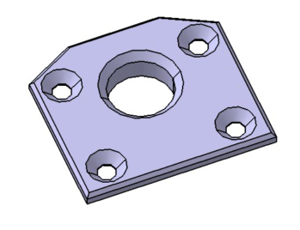
ItemOrder | Process | Use | UnitCost | Unit | Quantity | Multiplier | Mult. Val. | Sub Total
10 | Machining Setup, Install and remove | Installation of the item 10 | $1.30 | Unit | 1 |  |  | $1.30
20 | Machining | Machining of the first face | $0.04 | cm^3 | 8 | Material - Aluminium | 1 | $0.30
30 | Machining Setup, Change | To machin the other side | $0.65 | Unit | 1 |  |  | $0.65
40 | Machining | Machining of the second face | $0.04 | cm^3 | 1.5 | Material - Aluminium | 1 | $0.06
50 | Aerosol Apply | To apply black paint | $5.25 | m^2 | 2.80E-03 |  |  | $0.01
 |  |  |  |  |  |  | Sub Total | $2.31

ST 01004
University | Ecole Centrale de Lyon |  |  |  | Back to BOM |  |  |  | Car # | 81 |  | Part Cost | $6.26
System | Steering System |  |  |  |  |  |  |  |  |  |  | Qty | 1
Assembly | Steering Rack |  |  |  |  |  |  |  | FileLink1
Part | Lower Pinion housing |  |  |  |  |  |  |  | FileLink2 |  |  | Extended Cost | $6.26
P/N Base | ST 01004 |  |  |  |  |  |  |  | FileLink3
Suffix | AA
Details | Bought part, cost as made

ItemOrder | Material | Use | UnitCost | Size1 | Unit1 | Size2 | Unit2 | Area Name | Area | Length | Density | Quantity | Sub Total
10 | Aluminum, Normal | Stock for the part | $4.20 | 0.231 | kg |  |  | Rectangular area | 2.50E-03 | 0.034 | 2712 | 1 | $0.97
20 | Paint |  | $10.00 | 0.01 | m^2 |  |  |  |  |  |  |  | $0.08
 |  |  |  |  |  |  |  |  |  |  |  | Sub Total | $1.05

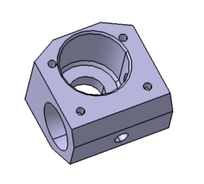
ItemOrder | Process | Use | UnitCost | Unit | Quantity | Multiplier | Mult. Val. | Sub Total
10 | Machining Setup, Install and remove | Installation of the item 10 | $1.30 | Unit | 1 |  |  | $1.30
20 | Machining | Machining of the first face | $0.04 | cm^3 | 25 | Material - Aluminium | 1 | $1.00
30 | Threading, Internal (machining) | For the 4 holes | $0.10 | cm | 6 |  |  | $0.60
40 | Machining Setup, Change | To machin the other side | $0.65 | Unit | 1 |  |  | $0.65
50 | Machining | Machining of the second face | $0.04 | cm^3 | 21.3 | Material - Aluminium | 1 | $0.85
60 | Machining Setup, Change | To machin the other side | $0.65 | Unit | 1 |  |  | $0.65
70 | Machining | Machining of a beveal | $0.04 | cm^3 | 3.75 | Material - Aluminium | 1 | $0.15
80 | Aerosol Apply | To apply black paint | $5.25 | m^2 | 0.01 |  |  | $0.04
 |  |  |  |  |  |  | Sub Total | $5.20

ST 01005
University | Ecole Centrale de Lyon |  |  |  | Back to BOM |  |  |  | Car # | 81 |  | Part Cost | $2.35
System | Steering System |  |  |  |  |  |  |  |  |  |  | Qty | 2
Assembly | Steering Rack |  |  |  |  |  |  |  | FileLink1
Part | Rack housing support |  |  |  |  |  |  |  | FileLink2 |  |  | Extended Cost | $4.70
P/N Base | ST 01005 |  |  |  |  |  |  |  | FileLink3
Suffix | AA
Details | Bought part, cost as made

ItemOrder | Material | Use | UnitCost | Size1 | Unit1 | Size2 | Unit2 | Area Name | Area | Length | Density | Quantity | Sub Total
10 | Aluminum, Normal | Stock for the part | $4.20 | 0.088 | kg |  |  | Circular area 33mm diameter | 8.55E-04 | 0.038 | 2712 | 1 | $0.37
20 | Paint |  | $10.00 | 4.94E-03 | m^2 |  |  |  |  |  |  |  | $0.05
 |  |  |  |  |  |  |  |  |  |  |  | Sub Total | $0.42
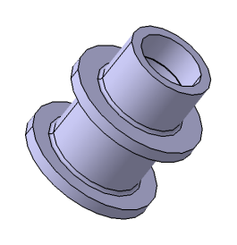
ItemOrder | Process | Use | UnitCost | Unit | Quantity | Multiplier | Mult. Val. | Sub Total
10 | Machining Setup, Install and remove | Installation of the item 10 | $1.30 | Unit | 1 | 2 parts made from a single setup | 0.5 | $0.65
20 | Machining | First machining | $0.04 | cm^3 | 21 | Material - Aluminium | 1 | $0.83
30 | Machining Setup, Change | To machin the other side | $0.65 | Unit | 1 | 2 parts made from a single setup | 0.5 | $0.33
40 | Machining | for the other side | $0.04 | cm^3 | 2.565 | Material - Aluminium | 1 | $0.10
50 | Aerosol Apply | To apply black paint | $5.25 | m^2 | 4.94E-03 |  |  | $0.03
 |  |  |  |  |  |  | Sub Total | $1.93

ST 01006
University | Ecole Centrale de Lyon |  |  |  | Back to BOM |  |  |  | Car # | 81 |  | Part Cost | $2.39
System | Steering System |  |  |  |  |  |  |  |  |  |  | Qty | 2
Assembly | Steering Rack |  |  |  |  |  |  |  | FileLink1
Part | Tie rod Braces |  |  |  |  |  |  |  | FileLink2 |  |  | Extended Cost | $4.78
P/N Base | ST 01006 |  |  |  |  |  |  |  | FileLink3
Suffix | AA
Details | Bought part, cost as made

ItemOrder | Material | Use | UnitCost | Size1 | Unit1 | Size2 | Unit2 | Area Name | Area | Length | Density | Quantity | Sub Total
10 | Aluminum, Normal | Stock for the part | $4.20 | 0.062 | kg |  |  | Circular area 26mm diameter | 5.31E-04 | 0.043 | 2712 | 1 | $0.26
20 | Paint |  | $10.00 | 3.66E-03 | m^2 |  |  |  |  |  |  |  | $0.04
 |  |  |  |  |  |  |  |  |  |  |  | Sub Total | $0.30
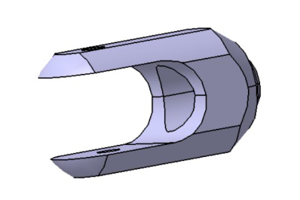
ItemOrder | Process | Use | UnitCost | Unit | Quantity | Multiplier | Mult. Val. | Sub Total
10 | Machining Setup, Install and remove | Installation of the item 10 | $1.30 | Unit | 1 | 2 parts made from a single setup | 0.5 | $0.65
20 | Machining | First machining | $0.04 | cm^3 | 5 | Material - Aluminium | 1 | $0.19
30 | Machining Setup, Change | To machin the other side | $0.65 | Unit | 0.5 | 2 parts made from a single setup | 0.5 | $0.16
40 | Machining | Second machining | $0.04 | cm^3 | 4 | Material - Aluminium | 1 | $0.14
50 | Machining Setup, Install and remove | Installation on a CNC machine | $1.30 | Unit | 0.5 | 2 parts made from a single setup | 0.5 | $0.33
60 | Machining | For the planes and the center | $0.04 | cm^3 | 12 | Material - Aluminium | 1 | $0.46
70 | Machining Setup, Change | To machin the other side | $0.65 | Unit | 0.5 | 2 parts made from a single setup | 0.5 | $0.16
80 | Machining | For the other planes | $0.04 | cm^3 | 1 | Material - Aluminium | 1 | $0.04
90 | Drilled holes < 25.4 mm dia. | For the two holes | $0.35 | hole | 2 |  |  | $0.70
100 | Aerosol Apply | To apply black paint | $5.25 | m^2 | 3.66E-03 |  |  | $0.02
 |  |  |  |  |  |  | Sub Total | $2.09

ST 01007
University | Ecole Centrale de Lyon |  |  |  | Back to BOM |  |  |  | Car # | 81 |  | Part Cost | $65.59
System | Steering System |  |  |  |  |  |  |  |  |  |  | Qty | 1
Assembly | Steering Rack |  |  |  |  |  |  |  | FileLink1
Part | Rack housing |  |  |  |  |  |  |  | FileLink2 |  |  | Extended Cost | $65.59
P/N Base | ST 01007 |  |  |  |  |  |  |  | FileLink3
Suffix | AA
Details | Bought part, cost as made

ItemOrder | Material | Use | UnitCost | Size1 | Unit1 | Size2 | Unit2 | Area Name | Area | Length | Density | Quantity | Sub Total
10 | Carbon Fiber, 1 Ply | Stock | $200.00 | 0.275 | kg |  |  | Tube diam. 72 x 3 mm | 6.50E-04 | 0.268 | 1580 | 1 | $55.07
 |  |  |  |  |  |  |  |  |  |  |  | Sub Total | $55.07
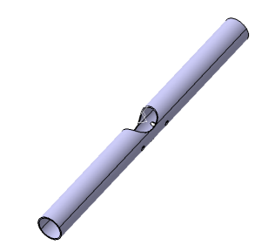
ItemOrder | Process | Use | UnitCost | Unit | Quantity | Multiplier | Mult. Val. | Sub Total
10 | Lamination, Fillament Wirring | Tube Lamination | $25.00 | kg | 0.28 |  |  | $6.88
20 | Machining Setup, Install and remove | Installation of the item 10 | $1.30 | Unit |  |  |  | $1.30
30 | Drilled holes < 25.4 mm dia. | For the two holes | $0.35 | hole | 2 |  |  | $0.70
40 | Machining Setup, Change | To machin the other side | $0.65 | Unit | 0.5 |  |  | $0.33
50 | Drilled holes < 25.4 mm dia. | For the two holes | $0.35 | hole | 2 |  |  | $0.70
60 | Machining | For the opening | $0.04 | cm^3 | 4 | Material - Composite | 2 | $0.28
70 | Machining Setup, Change | To drill the last hole | $0.65 | Unit | 0.5 |  |  | $0.33
80 | Drilled hole < 50.8 mm dia. |  | $0.70 | hole | 1 |  |  | $0.70
 |  |  |  |  |  |  | Sub Total | $10.51

ST 01008
University | Ecole Centrale de Lyon |  |  |  | Back to BOM |  |  |  | Car # | 81 |  | Part Cost | $1.58
System | Steering System | Drawing : | FileLink1 |  |  |  |  |  |  |  |  | Qty | 4
Assembly | Steering Rack |  |  |  |  |  |  |  | FileLink1
Part | Steering Brackets tie |  |  |  |  |  |  |  | FileLink2 |  |  | Extended Cost | $6.34
P/N Base | ST 01008 |  |  |  |  |  |  |  | FileLink3
Suffix | AA
Details | To fix the steering rack

ItemOrder | Material | Use | UnitCost | Size1 | Unit1 | Size2 | Unit2 | Area Name | Area | Length | Density | Quantity | Sub Total
10 | Aluminum, Normal | Stock for the part | $4.20 | 0.031 | kg |  |  | Rectangular area | 2.56E-04 | 0.045 | 2712 | 1 | $0.13
 |  |  |  |  |  |  |  |  |  |  |  | Sub Total | $0.13

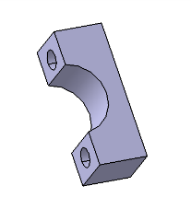
ItemOrder | Process | Use | UnitCost | Unit | Quantity | Multiplier | Mult. Val. | Sub Total
10 | Machining Setup, Install and remove | Installation of the item 10 | $1.30 | Unit | 1 | 4 parts made from a single setup | 0.25 | $0.33
20 | Machining | For the half circule | $0.04 | cm^3 | 7 | Material - Aluminium | 1 | $0.27
30 | Machining Setup, Change | To machin the two holes | $0.65 | Unit | 1 | 4 parts made from a single setup | 0.25 | $0.16
40 | Drilled holes < 25.4 mm dia. | For the two holes | $0.35 | hole | 2 |  |  | $0.70
 |  |  |  |  |  |  | Sub Total | $1.45

ST 01008 Drawing
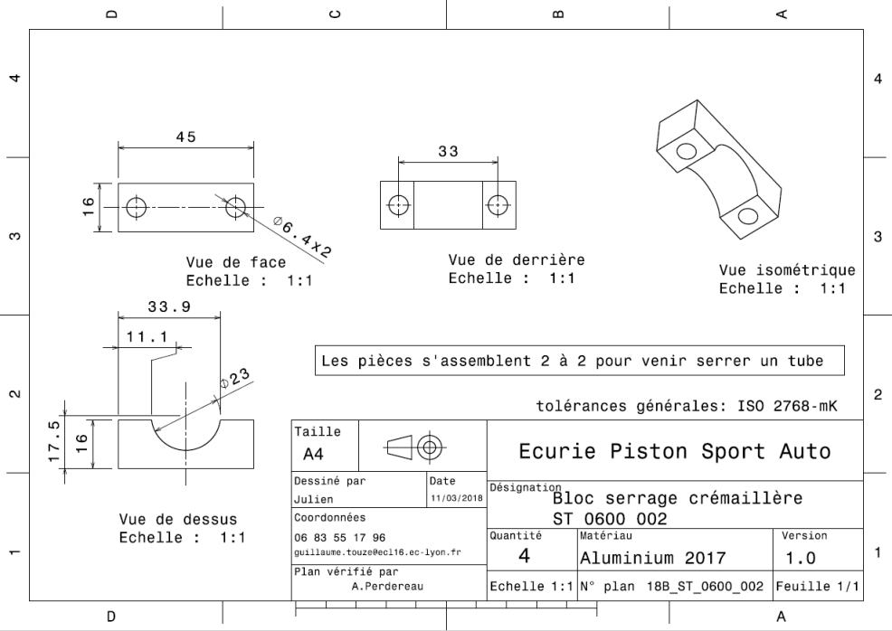
ST_01008

ST 01009
University | Ecole Centrale de Lyon |  |  |  | Back to BOM |  |  |  | Car # | 81 |  | Part Cost | $1.60
System | Steering System | Drawing : | FileLink1 |  |  |  |  |  |  |  |  | Qty | 2
Assembly | Steering Rack |  |  |  |  |  |  |  | FileLink1
Part | Steering Brackets |  |  |  |  |  |  |  | FileLink2 |  |  | Extended Cost | $3.19
P/N Base | ST 01009 |  |  |  |  |  |  |  | FileLink3
Suffix | AA
Details | This part is welded to the frame

ItemOrder | Material | Use | UnitCost | Size1 | Unit1 | Size2 | Unit2 | Area Name | Area | Length | Density | Quantity | Sub Total
10 | Steel, Mild (per kg) | Stock for the part | $2.25 | 0.059 | kg |  |  | Rectangular area | 5.00E-03 | 1.50E-03 | 7850 | 1 | $0.13
20 | Paint |  | $10.00 | 4.00E-03 | m^2 |  |  |  |  |  |  |  | $0.04
 |  |  |  |  |  |  |  |  |  |  |  | Sub Total | $0.17

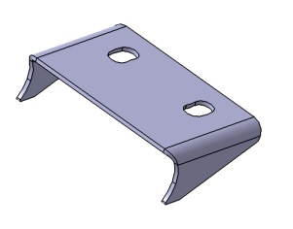
ItemOrder | Process | Use | UnitCost | Unit | Quantity | Multiplier | Mult. Val. | Sub Total
10 | Machining Setup, Install and remove | Installation of the item 10 for laser cut | $1.30 | Unit | 1 | 2 parts made from a single setup | 0.5 | $0.65
20 | Laser Cut |  | $0.01 | cm | 25 |  |  | $0.25
30 | Sheet metal bends |  | $0.25 | bend | 2 |  |  | $0.50
40 | Aerosol Apply | To apply red paint | $5.25 | m^2 | 4.00E-03 |  |  | $0.02
 |  |  |  |  |  |  | Sub Total | $1.42

ST 01009 Drawing
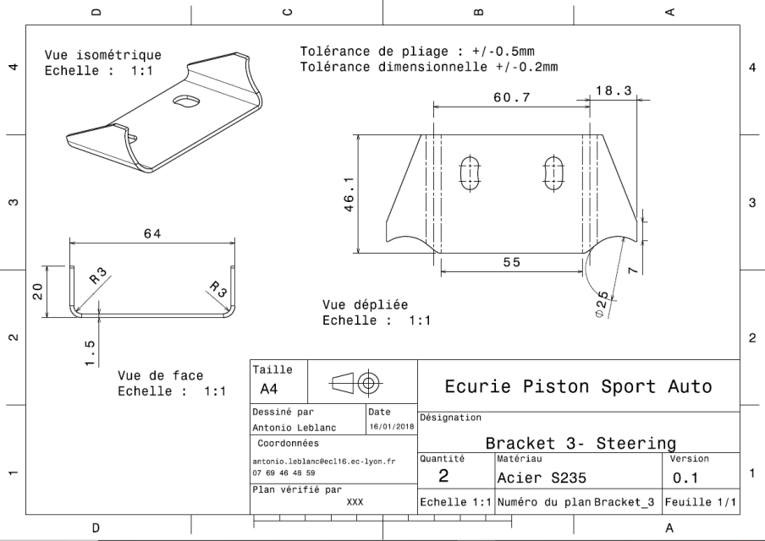
ST_01009

ST 01010
University | Ecole Centrale de Lyon |  |  |  | Back to BOM |  |  |  | Car # | 81 |  | Part Cost | $7.62
System | Steering System |  |  |  |  |  |  |  |  |  |  | Qty | 1
Assembly | Steering Rack |  |  |  |  |  |  |  | FileLink1
Part | Rack protection |  |  |  |  |  |  |  | FileLink2 |  |  | Extended Cost | $7.62
P/N Base | ST 01010 |  |  |  |  |  |  |  | FileLink3
Suffix | AA
Details

ItemOrder | Material | Use | UnitCost | Size1 | Unit1 | Size2 | Unit2 | Area Name | Area | Length | Density | Quantity | Sub Total
10 | Aluminum, Normal | Stock for the part | $4.20 | 0.734 | kg |  |  | Rectangular area | 1.80E-01 | 1.50E-03 | 2712 | 1 | $3.08
 |  |  |  |  |  |  |  |  |  |  |  | Sub Total | $3.08

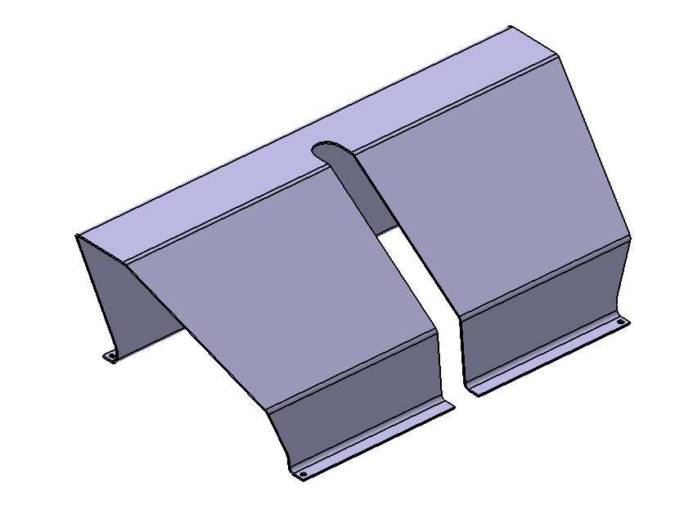
ItemOrder | Process | Use | UnitCost | Unit | Quantity | Multiplier | Mult. Val. | Sub Total
10 | Machining Setup, Install and remove | Installation of the item 10 for laser cut | $1.30 | Unit | 1 |  |  | $1.30
20 | Laser Cut |  | $0.01 | cm | 199 |  |  | $1.99
30 | Sheet metal bends |  | $0.25 | bend | 5 |  |  | $1.25
 |  |  |  |  |  |  | Sub Total | $4.54

ST 01011
University | Ecole Centrale de Lyon |  |  |  | Back to BOM |  |  |  | Car # | 81 |  | Part Cost | $0.38
System | Steering System | Drawing : | FileLink1 |  |  |  |  |  |  |  |  | Qty | 4
Assembly | Steering Rack |  |  |  |  |  |  |  | FileLink1
Part | Rack protection Brackets |  |  |  |  |  |  |  | FileLink2 |  |  | Extended Cost | $1.52
P/N Base | ST 01011 |  |  |  |  |  |  |  | FileLink3
Suffix | AA
Details | This part is Welded on the frame

ItemOrder | Material | Use | UnitCost | Size1 | Unit1 | Size2 | Unit2 | Area Name | Area | Length | Density | Quantity | Sub Total
10 | Steel, Mild (per kg) | Stock for the part | $2.25 | 0.002 | kg |  |  | Rectangular area | 1.80E-04 | 1.50E-03 | 7850 | 1 | $0.00
20 | Paint |  | $10.00 | 3.60E-04 | m^2 |  |  |  |  |  |  |  | $0.00
 |  |  |  |  |  |  |  |  |  |  |  | Sub Total | $0.01
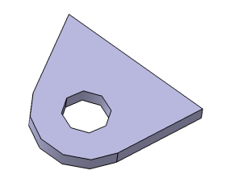
ItemOrder | Process | Use | UnitCost | Unit | Quantity | Multiplier | Mult. Val. | Sub Total
10 | Machining Setup, Install and remove | Installation of the item 10 for laser cut | $1.30 | Unit | 1 | 4 parts made from a single setup | 0.25 | $0.33
20 | Laser Cut |  | $0.01 | cm | 5 |  |  | $0.05
30 | Aerosol Apply | To apply red paint | $5.25 | m^2 | 1.44E-04 |  |  | $0.00
 |  |  |  |  |  |  | Sub Total | $0.37

ST 01011 Drawing
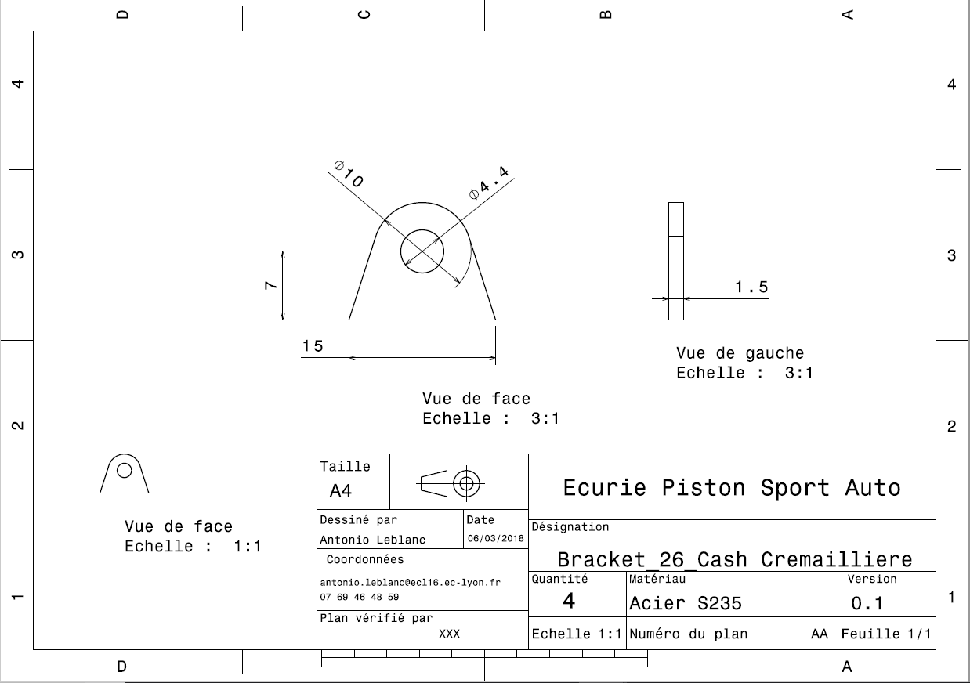
ST 01011

ST A0200
University | Ecole Centrale de Lyon |  |  | Back to BOM |  |  |  |  | Car # | 81 |  | Asm Cost | $78.40
System | Steering System |  |  |  |  |  |  |  |  |  |  | Qty | 1
Assembly | Steering Column assy |  |  |  |  |  |  |  | FileLink1
P/N Base | ST A0200 |  |  |  |  |  |  |  | FileLink2 |  |  | Extended Cost | $78.40
Suffix | AA |  |  |  |  |  |  |  | FileLink3
Details

ItemOrder | Part | Part Cost | Quantity | Sub Total
10 | Spline Coupler | $3.63 | 1 | $3.63
20 | Steering column | $2.11 | 1 | $2.11
30 | Steering Upper Shaft Pivot | $6.29 | 1 | $6.29
40 | Steering Bore | $9.26 | 1 | $9.26
50 | Steering Bore support | $1.46 | 2 | $2.93
 |  |  | Sub Total | $24.21

ItemOrder | Material | Use | UnitCost | Size1 | Unit1 | Size2 | Unit2 | Area Name | Area | Length | Density | Quantity | Sub Total
10 | Steering Column Universal Joint |  | $20.00 |  |  |  |  |  |  |  |  | 1 | $20.00
20 | Bearing, Ball, Radial | To guide part 30 in the part 40 | $11.11 | 42 | mm | 7 | mm |  |  |  |  | 2 | $22.22
 |  |  |  |  |  |  |  |  |  |  |  | Sub Total | $42.22

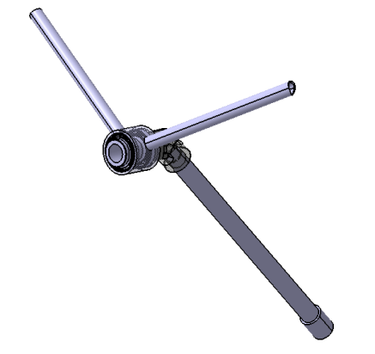
ItemOrder | Process | Use | UnitCost | Unit | Quantity | Multiplier | Mult. Val. | Sub Total
10 | Machining Setup, Install and remove | Setup for tne material 10 | $1.30 | unit | 1 |  |  | $1.30
20 | Machining | Machining the material 10 | $0.04 | cm^3 | 6 | Material - Steel | 3 | $0.68
30 | Weld | Welding between The part 10 and the part 20 | $0.15 | cm | 6.2 |  |  | $0.93
40 | Weld | Welding between the part 20 and the material 10 | $0.15 | cm | 6.2 |  |  | $0.93
50 | Weld | Welding between the part 30 and the material 10 | $0.15 | cm | 10 |  |  | $1.50
60 | Weld | Welding between the two part 50 and the frame | $0.15 | cm | 6.4 |  |  | $0.96
70 | Weld | Welding between the two part 50 and the part 40 | $0.15 | cm | 6.4 |  |  | $0.96
80 | Weld | Welding between the part 30 and Quick Release | $0.15 | cm | 8 |  |  | $1.20
90 | Assemble, 1 kg, Interference | Assembly of the first material 20 on the part 30 | $0.19 | unit | 1 |  |  | $0.19
100 | Assemble, 1 kg, Line-on-Line | Assembly of the steering column in the part 40 | $0.13 | unit | 1 | Assemble - Length > 0.5m | 1.25 | $0.16
110 | Assemble, 1 kg, Interference | Assembly of the second material 20 in the part 40 | $0.19 | unit | 1 |  |  | $0.19
120 | Assemble, 1 kg, Line-on-Line | To install the fastener 10 | $0.13 | unit | 1 |  |  | $0.13
 |  |  |  |  |  |  | Sub Total | $9.13

ItemOrder | Fastener | Use | UnitCost | Size1 | Unit1 | Size2 | Unit2 | Quantity | Sub Total
10 | Retaining Ring, External | To retain the material 20 on the part 30 | $0.18 | 30 | mm |  |  | 1 | $0.18
 |  |  |  |  |  |  |  | Sub Total | $0.18

ItemOrder | Tooling | Use | UnitCost | Unit | Quantity | PVF | FractionIncluded | Sub Total
10 | Welds - Welding Fixture | For the process 30, 2 point to weld | $500 | 1 | 2 | 3000 | 1 | $0.33
20 | Welds - Welding Fixture | For the process 40, 2 point per weld | $500 | 1 | 2 | 3000 | 1 | $0.33
30 | Welds - Welding Fixture | For the process 50, 2 point per weld | $500 | 1 | 2 | 3000 | 1 | $0.33
40 | Welds - Welding Fixture | For the process 60, 2 point per weld | $500 | 1 | 4 | 3000 | 1 | $0.67
50 | Welds - Welding Fixture | For the process 70, 2 point per weld | $500 | 1 | 4 | 3000 | 1 | $0.67
60 | Welds - Welding Fixture | For the process 80, 2 point per weld | $500 | 1 | 2 | 3000 | 1 | $0.33
 |  |  |  |  |  |  | Sub Total | $2.67

ST 02001
University | Ecole Centrale de Lyon |  |  |  | Back to BOM |  |  |  | Car # | 81 |  | Part Cost | $3.63
System | Steering System |  |  |  |  |  |  |  |  |  |  | Qty | 1
Assembly | Steering Column assy |  |  |  |  |  |  |  | FileLink1
Part | Spline coupler |  |  |  |  |  |  |  | FileLink2 |  |  | Extended Cost | $3.63
P/N Base | ST 02001 |  |  |  |  |  |  |  | FileLink3
Suffix | AA
Details | Bought part, cost as made

ItemOrder | Material | Use | UnitCost | Size1 | Unit1 | Size2 | Unit2 | Area Name | Area | Length | Density | Quantity | Sub Total
10 | Steel, alloy (per kg) | Stock for spline coupler | $2.25 | 0.116 | kg |  |  | Circular section : diameter 24 | 4.91E-04 | 0.030 | 7850 | 1 | $0.26
 |  |  |  |  |  |  |  |  |  |  |  | Sub Total | $0.26
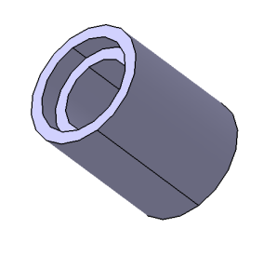
ItemOrder | Process | Use | UnitCost | Unit | Quantity | Multiplier | Mult. Val. | Sub Total
10 | Machining Setup, Install and remove | Setup for tne material 20 | $1.30 | unit | 1 |  |  | $1.30
20 | Drilled holes < 25.4 mm dia. | Hole before the Broach | $0.35 | hole | 1 |  |  | $0.35
30 | Machining | Machining the spline | $0.04 | cm^3 | 2 | Material - Steel | 3 | $0.22
40 | Broach, Internal | For the splines in the spline coupler | $0.50 | cm | 1 |  |  | $1.50
 |  |  |  |  |  |  | Sub Total | $3.37

ST 02002
University | Ecole Centrale de Lyon |  |  |  | Back to BOM |  |  |  | Car # | 81 |  | Part Cost | $2.11
System | Steering System |  |  |  |  |  |  |  |  |  |  | Qty | 1
Assembly | Steering Column assy |  |  |  |  |  |  |  | FileLink1
Part | Steering Column tube |  |  |  |  |  |  |  | FileLink2 |  |  | Extended Cost | $2.11
P/N Base | ST 02002 |  |  |  |  |  |  |  | FileLink3
Suffix | AA
Details | It is a tube, 20*1.5

ItemOrder | Material | Use | UnitCost | Size1 | Unit1 | Size2 | Unit2 | Area Name | Area | Length | Density | Quantity | Sub Total
10 | Steel, alloy (per kg) | Stock for column tube | $2.25 | 0.225 | kg |  |  | Circular area, diameter 20 | 3.49E-04 | 0.335 | 7850 | 1 | $0.51
 |  |  |  |  |  |  |  |  |  |  |  | Sub Total | $0.51
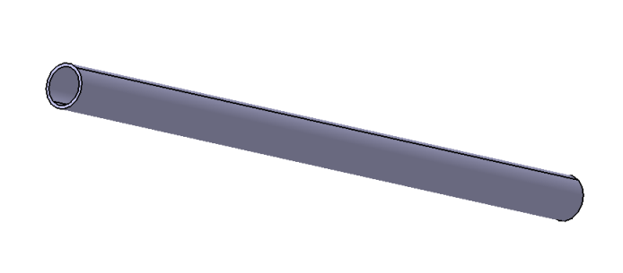
ItemOrder | Process | Use | UnitCost | Unit | Quantity | Multiplier | Mult. Val. | Sub Total
10 | Machining Setup, Install and remove | Setup | $1.30 | Unit | 1 |  |  | $1.30
20 | Tube cut | To cut the tube to the right lenght | $0.15 | cm | 2 |  |  | $0.30
 |  |  |  |  |  |  | Sub Total | $1.60

ST 02003
University | Ecole Centrale de Lyon |  |  |  | Back to BOM |  |  |  | Car # | 81 |  | Part Cost | $6.29
System | Steering System | Drawing : | FileLink1 |  |  |  |  |  |  |  |  | Qty | 1
Assembly | Steering Column assy |  |  |  |  |  |  |  | FileLink1
Part | Steering Upper Shaft Pivot |  |  |  |  |  |  |  | FileLink2 |  |  | Extended Cost | $6.29
P/N Base | ST 02003 |  |  |  |  |  |  |  | FileLink3
Suffix | AA
Details

ItemOrder | Material | Use | UnitCost | Size1 | Unit1 | Size2 | Unit2 | Area Name | Area | Length | Density | Quantity | Sub Total
10 | Steel, alloy (per kg) | Stock the part | $2.25 | 0.360 | kg |  |  | Circular section : diameter 32mm | 8.04E-04 | 0.057 | 7850 | 1 | $0.81
 |  |  |  |  |  |  |  |  |  |  |  | Sub Total | $0.81

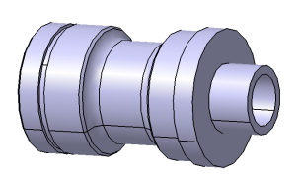
ItemOrder | Process | Use | UnitCost | Unit | Quantity | Multiplier | Mult. Val. | Sub Total
10 | Machining Setup, Install and remove | Setup for tne material 10 | $1.30 | unit | 1 |  |  | $1.30
20 | Machining | Machining of the left part | $0.04 | cm^3 | 22 | Material - Steel | 3 | $2.61
30 | Machining Setup, Change | To machin the other side | $0.65 | Unit | 1 |  |  | $0.65
40 | Machining | Machining of the right part | $0.04 | cm^3 | 8 | Material - Steel | 3 | $0.91
 |  |  |  |  |  |  | Sub Total | $5.48

ST 02003 Drawing
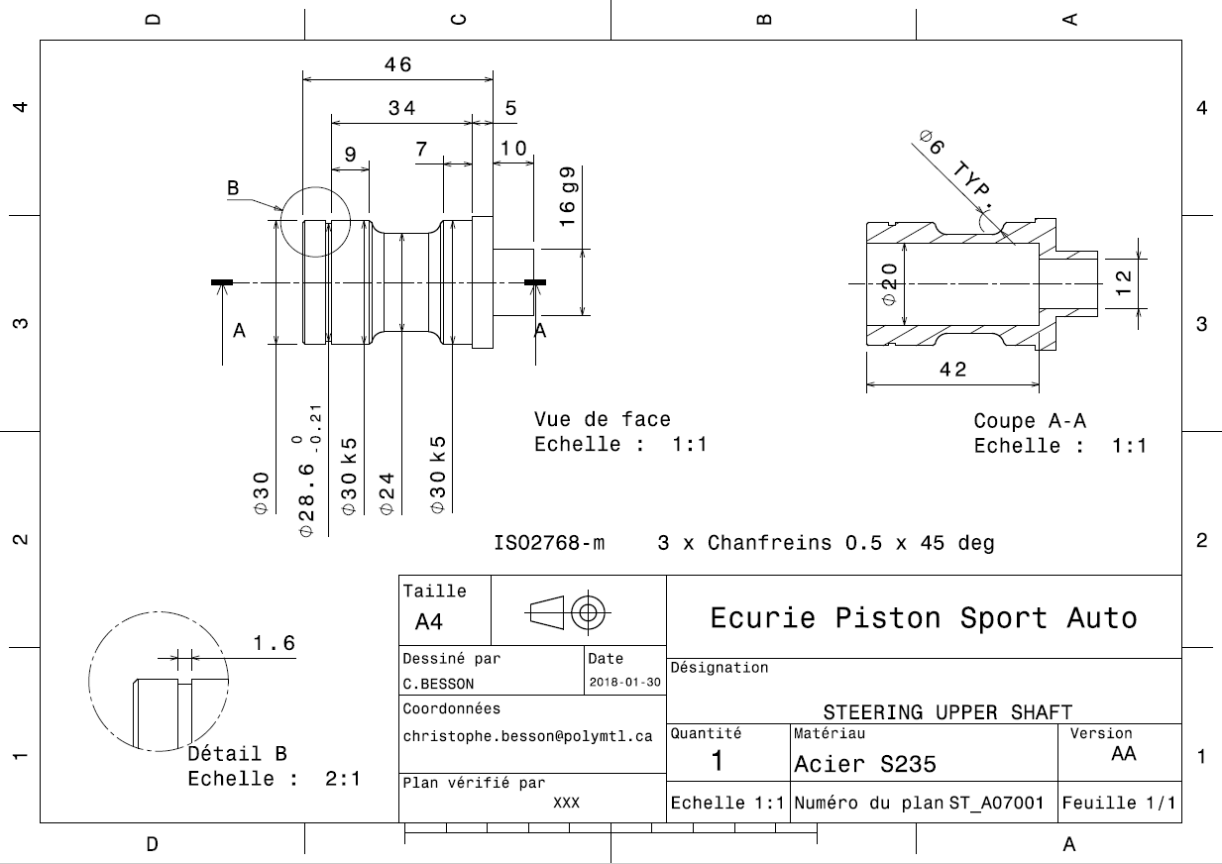
ST 02003

ST 02004
University | Ecole Centrale de Lyon |  |  |  | Back to BOM |  |  |  | Car # | 81 |  | Part Cost | $9.26
System | Steering System | Drawing : | FileLink1 |  |  |  |  |  |  |  |  | Qty | 1
Assembly | Steering Column Assy |  |  |  |  |  |  |  | FileLink1
Part | Steering Bore |  |  |  |  |  |  |  | FileLink2 |  |  | Extended Cost | $9.26
P/N Base | ST 02004 |  |  |  |  |  |  |  | FileLink3
Suffix | AA
Details

ItemOrder | Material | Use | UnitCost | Size1 | Unit1 | Size2 | Unit2 | Area Name | Area | Length | Density | Quantity | Sub Total
10 | Steel, alloy (per kg) | Stock for the part | $2.25 | 0.540 | kg |  |  | Circular section : diameter 48mm | 1.81E-03 | 0.038 | 7850 | 1 | $1.21
20 | Paint |  | $10.00 | 0.006 | m^2 |  |  |  | 5.70E-03 |  |  |  | $0.06
 |  |  |  |  |  |  |  |  |  |  |  | Sub Total | $1.27
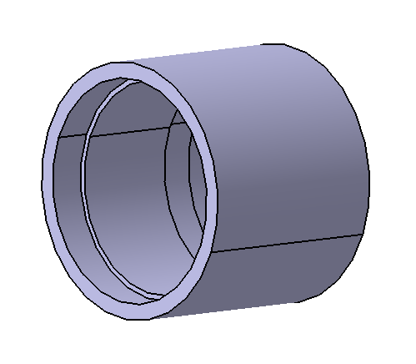
ItemOrder | Process | Use | UnitCost | Unit | Quantity | Multiplier | Mult. Val. | Sub Total
10 | Machining Setup, Install and remove | Setup for tne material 10 | $1.30 | unit | 1 |  |  | $1.30
20 | Machining | Machining of the left shoulder | $0.04 | cm^3 | 35 | Material - Steel | 3 | $4.18
30 | Machining Setup, Change | To machin the other shoulder | $0.65 | Unit | 1 |  |  | $0.65
40 | Machining | Machining of the right shoulder | $0.04 | cm^3 | 15 | Material - Steel | 3 | $1.83
50 | Aerosol Apply | To apply red paint on the exterior | $5.25 | m^2 | 0.006 |  |  | $0.03
 |  |  |  |  |  |  | Sub Total | $7.99

ST 02004 Drawing
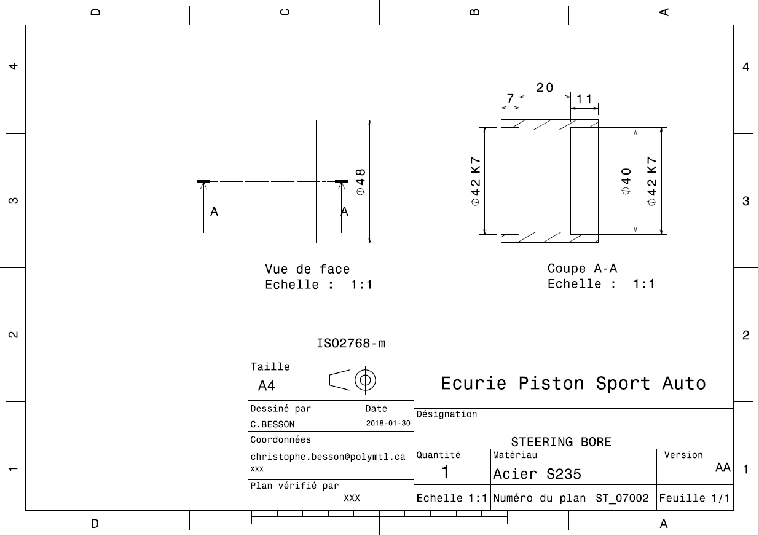
ST 02004

ST 02005
University | Ecole Centrale de Lyon |  |  |  | Back to BOM |  |  |  | Car # | 81 |  | Part Cost | $1.46
System | Steering System |  |  |  |  |  |  |  |  |  |  | Qty | 2
Assembly | Steering Column assy |  |  |  |  |  |  |  | FileLink1
Part | Steering Bore Support |  |  |  |  |  |  |  | FileLink2 |  |  | Extended Cost | $2.93
P/N Base | ST 02005 |  |  |  |  |  |  |  | FileLink3
Suffix | AA
Details | This part is welded to the frame and to the steering Bore

ItemOrder | Material | Use | UnitCost | Size1 | Unit1 | Size2 | Unit2 | Area Name | Area | Length | Density | Quantity | Sub Total
10 | Steel, alloy (per kg) | Stock for the part | $2.25 | 0.114 | kg |  |  | Circular section : diameter | 6.36E-05 | 0.228 | 7850 | 1 | $0.26
20 | Paint |  | $10.00 | 9.00E-03 | m^2 |  |  |  | 9.00E-03 |  |  |  | $0.09
 |  |  |  |  |  |  |  |  |  |  |  | Sub Total | $0.35

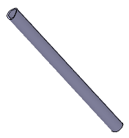
ItemOrder | Process | Use | UnitCost | Unit | Quantity | Multiplier | Mult. Val. | Sub Total
10 | Machining Setup, Install and remove | Setup for tne material 10 | $1.30 | unit | 1 | 2 parts made from a single setup | 0.5 | $0.65
20 | Laser Cut | For one end | $0.01 | cm | 4.9 |  |  | $0.05
30 | Machining Setup, Change | For the other end | $0.65 | Unit | 1 | 2 parts made from a single setup | 0.5 | $0.33
40 | Laser Cut | For the other end | $0.01 | cm | 4.7 |  |  | $0.05
50 | Aerosol Apply | To apply red paint | $5.25 | m^2 | 9.00E-03 |  |  | $0.05
 |  |  |  |  |  |  | Sub Total | $1.12

ST A0300
University | Ecole Centrale de Lyon |  |  |  |  | Back to BOM |  |  | Car # | 81 |  | Part Cost | $43.03
System | Steering System |  | FileLink1 |  |  |  |  |  |  |  |  | Qty | 1
Assembly | Quick Release |  | FileLink2 |  |  |  |  |  | FileLink1
P/N Base | ST A0300 |  | FileLink3 |  |  |  |  |  | FileLink2 |  |  | Extended Cost | $43.03
Suffix | AA |  |  |  |  |  |  |  | FileLink3
Details | Bought, cost as made

ItemOrder | Part | Part Cost | Quantity | Sub Total
10 | Quick Release Steel Sleeve | $12.88 | 1 | $12.88
20 | Quick Release Fixed Part | $15.47 | 1 | $15.47
30 | Quick Release Sliding Part | $12.94 | 1 | $12.94
 |  |  | Sub Total | $41.29

ItemOrder | Material | Use | UnitCost | Size1 | Unit1 | Size2 | Unit2 | Area Name | Area | Length | Density | Quantity | Sub Total
10 | Spring | Compression enabled | $1.00 |  |  |  |  |  |  |  |  | 1 | $1.00
20 | Ball Bearing | Quick Release locking | $0.06 |  |  |  |  |  |  |  |  | 4 | $0.24
 |  |  |  |  |  |  |  |  |  |  |  | Sub Total | $1.24
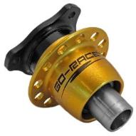
ItemOrder | Process | Use | UnitCost | Unit | Quantity | Multiplier | Mult. Val. | Sub Total
10 | Assemble, 1 kg, Interference | Assembling of Sliding and Fixed Pard | $0.19 | unit | 1 |  | 1 | $0.19
20 | Assemble, 1 kg, Line-on-Line | Assembling of the Steel Sleeve and the Fixed part | $0.13 | unit | 1 |  | 1 | $0.13
 |  |  |  |  |  |  | Sub Total | $0.32

ItemOrder | Fastener | Use | UnitCost | Size1 | Unit1 | Size2 | Unit2 | Quantity | Sub Total
10 | Retaining Ring, Internal | Locking of the quick release | $0.18 | 30 | mm |  |  | 1 | $0.18
 |  |  |  |  |  |  |  | Sub Total | $0.18

ST 03001
University | Ecole Centrale de Lyon |  |  |  | Back to BOM |  |  |  | Car # | 81 |  | Part Cost | $12.88
System | Steering System |  | FileLink1 |  |  |  |  |  |  |  |  | Qty | 1
Assembly | Quick Release |  | FileLink2 |  |  |  |  |  | FileLink1
Part | Quick Release Steel Sleeve |  | FileLink3 |  |  |  |  |  | FileLink2 |  |  | Extended Cost | $12.88
P/N Base | ST 03001 |  |  |  |  |  |  |  | FileLink3
Suffix | AA
Details | Bought, cost as made

ItemOrder | Material | Use | UnitCost | Size1 | Unit1 | Size2 | Unit2 | Area Name | Area | Length | Density | Quantity | Sub Total
10 | Steel, Mild (per kg) | Stock for the part | $2.25 | 0.482 | kg |  |  | Circular area, diam. 25mm | 4.91E-04 | 0.125 | 7850 | 1 | $1.08
 |  |  |  |  |  |  |  |  |  |  |  | Sub Total | $1.08

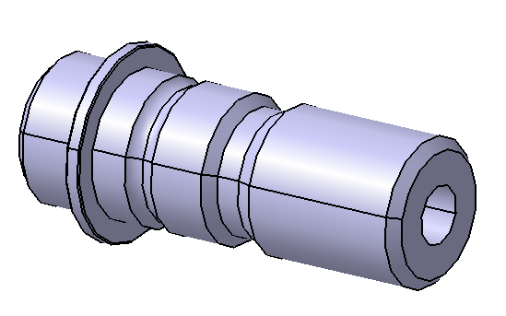
ItemOrder | Process | Use | UnitCost | Unit | Quantity | Multiplier | Mult. Val. | Sub Total
10 | Machining Setup, Install and remove | Setup for machining | $1.30 | Unit | 1 |  |  | $1.30
20 | Machining | Material removal, radius | $0.04 | cm^3 | 49 | Material : Steel | 3 | $5.88
30 | Machining | Material removal, lenght | $0.04 | cm^3 | 2.45 | Material : Steel | 3 | $0.29
40 | Machining Setup, Change | Prepare the machine for shoulder 1 | $0.65 | Unit | 1 |  | 1 | $0.65
50 | Machining | Shoulder 1 | $0.04 | cm^3 | 5.53 | Material : Steel | 3 | $0.66
60 | Machining Setup, Change | Prepare the machine for shoulder 2 | $0.65 | Unit | 1 |  | 1 | $0.65
70 | Machining | Shoulder 2 | $0.04 | cm^3 | 5.53 | Material : Steel | 3 | $0.66
80 | Machining Setup, Change | Prepare setup broaching machine | $0.65 | Unit | 1 |  | 1 | $0.65
90 | Broach, External | Broaching the splines | $0.50 | cm | 2.1 |  |  | $1.05
100 | Anodize | Hard Anodizing | $- | cm^2 |  |  |  | $ -
 |  |  |  |  |  |  | Sub Total | $11.80

ST 04002
University | Ecole Centrale de Lyon |  |  |  | Back to BOM |  |  |  | Car # | 81 |  | Part Cost | $3.07
System | Steering System | Drawing : | FileLink1 |  |  |  |  |  |  |  |  | Qty | 1
Assembly | Steering Wheel Assy |  | FileLink2 |  |  |  |  |  | FileLink1
Part | Aluminium spacer |  | FileLink3 |  |  |  |  |  | FileLink2 |  |  | Extended Cost | $3.07
P/N Base | ST 04002 |  |  |  |  |  |  |  | FileLink3
Suffix | AA
Details

ItemOrder | Material | Use | UnitCost | Size1 | Unit1 | Size2 | Unit2 | Area Name | Area | Length | Density | Quantity | Sub Total
10 | Aluminum, Normal (per kg) | Sheet of aluminium for the shift plate | $4.20 | 0.148 | kg |  |  | Rectangular area, 55x55 mm | 3.02E-03 | 0.018 | 2712 | 1 | $0.62
 |  |  |  |  |  |  |  |  |  |  |  | Sub Total | $0.62
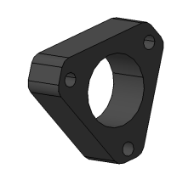
ItemOrder | Process | Use | UnitCost | Unit | Quantity | Multiplier | Mult. Val. | Sub Total
10 | Machining Setup, Install and remove | Set up | $1.30 | Unit | 1 |  | 1 | $1.30
20 | Machining | Machining | $0.04 | cm^3 | 28.8 | Material - Aluminium | 1 | $1.15
 |  |  |  |  |  |  | Sub Total | $2.45

ST 04002 Drawing
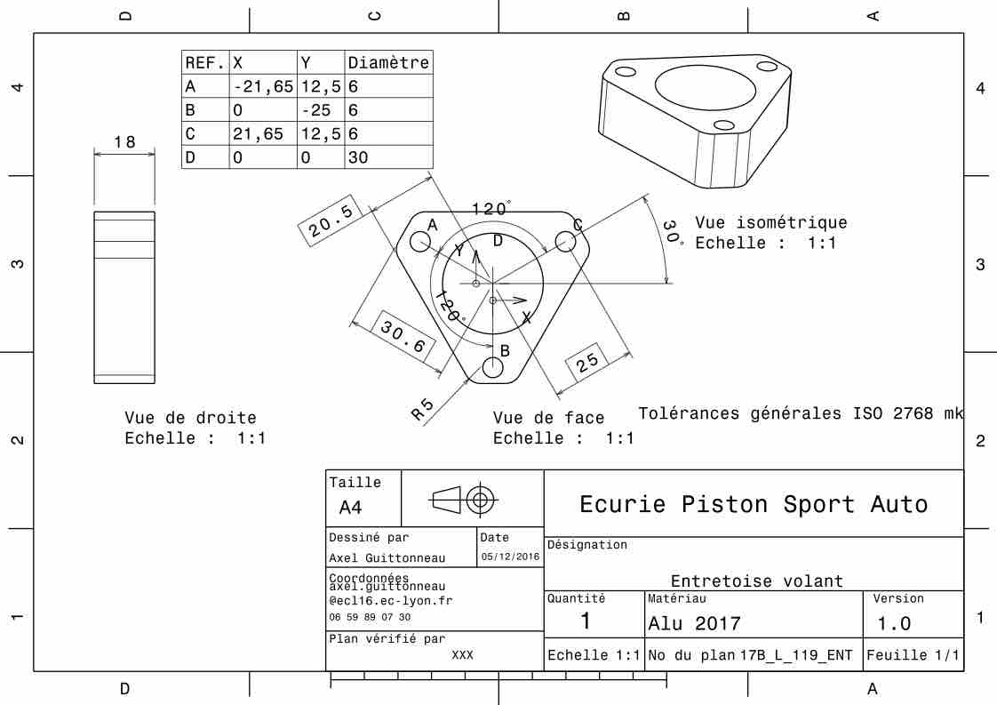
ST 04002

ST 05002
University | Ecole Centrale de Lyon |  |  |  | Back to BOM |  |  |  | Car # | 81 |  | Part Cost | #REF!
System | Steering System |  | FileLink1 |  |  |  |  |  |  |  |  | Qty | 1
Assembly | Steering rod |  | FileLink2 |  |  |  |  |  | FileLink1
Part | Steering rod insert |  | FileLink3 |  |  |  |  |  | FileLink2 |  |  | Extended Cost | #REF!
P/N Base | ST 05002 |  |  |  |  |  |  |  | FileLink3
Suffix | AA
Details

ItemOrder | Material | Use | UnitCost | Size1 | Unit1 | Size2 | Unit2 | Area Name | Area | Length | Density | Quantity | Sub Total
10 | Aluminium, Premium (per kg) | cylinder | $4.20 | 0.07 | kg |  |  | Round area diam. 18mm | 2.54E-04 | 3.50E-02 | 7,850.00 | 1 | $0.29
 |  |  |  |  |  |  |  |  |  |  |  | Sub Total | #REF!
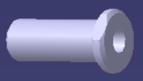
ItemOrder | Process | Use | UnitCost | Unit | Quantity | Multiplier | Mult. Val. | Sub Total
10 | Machining Setup, Install and remove | Setup for machining and removal | $1.30 | Unit | 1 | 2 parts from a single machine setup (tierod insert) | 0.500 | $0.65
20 | Machining | Material removal - side view profile | $0.04 | cm^3 | 5.5 | Material - Steel | 3 | $0.66
30 | Machining setup, change | Setup for machining process | $0.65 | Unit | 1 | 2 parts from a single machine setup (tierod insert) | 0.500 | $0.33
40 | Machining | Material removal | $0.04 | cm^3 | 0.3 | Material - Steel | 3 | $0.04
50 | Tapping Holes | Rod End emplacement | $0.35 | hole | 1 |  | 1 | $0.35
 |  |  |  |  |  |  | Sub Total | #REF!

dST 05002
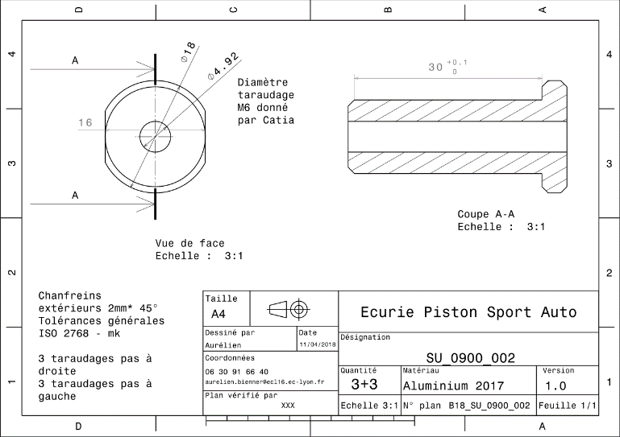
Drawing :

